FINAL REV-00
RULE | Lead and Profile Graph Check /Judgemnet Rule (Final) |  |  | ISD-QA-031 | DATE :28.02.14 Issue 01 Rev. 00
Tooth Profile at Final Judgement Standard 2W
Note :- First check pattern if found OK then verify value of Lead & Profile parameters against the specification given in Process Sheet.

Decision rule at Final on the actual pattern of lead /profile.

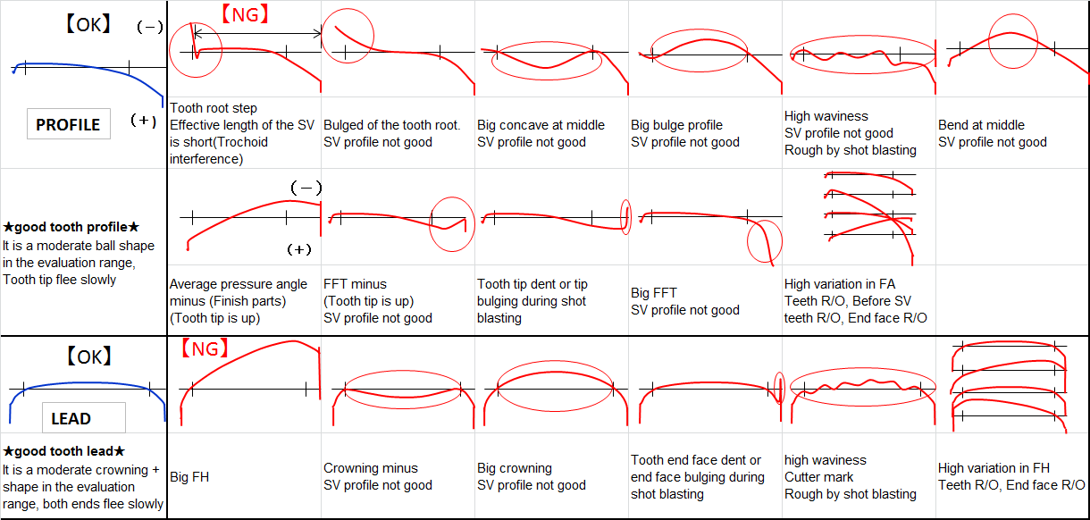
Part number.
Part name & stage.
01*
02*
Face Run out.

NA

INVOLUTE/PROFILE.

ROOT
TIP
ROOT
TIP
OBSOLUTE

03*

LEAD.
TOP
BOTTOM
TOP
BOTTOM

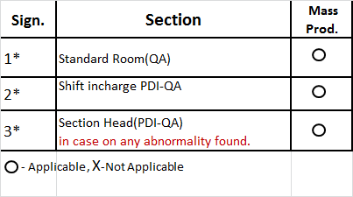
Teeth Profile Evalation<Final >
Lead & profile will have to evaluate based on actual pattern as per graph check rule and value according to Customer Product Drawing.
Decision to be taken as per the responsibility matrix .

INVOLUTE / PROFILE PARAMETER
LEAD PARAMETER

LEFT FLANK
MEAN VALUE

RIGHT FLANK

 |  |  |  | 0 | 28.02.2014 | New Releases
 |  |  |  | Rev.No. | Date | Description

Prepared By : Gurmukh Singh |  | Checked By : Narender San/DKD San | Approved By : Matsui San / Sandeep Kalia San

FINAL REV-01
RULE | Lead and Profile Graph Check /Judgemnet Rule (Final) |  |  | ISD-QA-031 | DATE : 03.06.2014 Issue 01 Rev. 01
Tooth Profile at Final Judgement Standard 2W
Note :- First check pattern & Bias if found OK then verify value of Lead & Profile parameters against the specification given in customer product drawing .
Profile bias is 15µ and Lead bias 20µ Max.

Decision rule at Final on the actual pattern of lead /profile.

Part number.
Part name & stage.
01*
02*
Face Run out.

NA

INVOLUTE/PROFILE.

ROOT
TIP
ROOT
TIP

03*

LEAD.
TOP
BOTTOM
TOP
BOTTOM

Teeth Profile Evalation<Final >
Lead & profile will have to evaluate based on actual pattern as per graph check rule and value according to Customer Product Drawing.
Decision to be taken as per the responsibility matrix .

INVOLUTE / PROFILE PARAMETER
LEAD PARAMETER

LEFT FLANK
MEAN VALUE

RIGHT FLANK

 |  |  |  | 0 | 28.02.2014 | New Releases
 |  |  |  | Rev.No. | Date | Description

Prepared By : Gurmukh Singh |  | Checked By : Narender San/DKD San | Approved By : Matsui San / Sandeep Kalia San

